Modelo 01
 | CRITICAL
Facility | Alexandre Gusmão | Location
System | 662- Crude Oil | Machine Name | Crude Oil Pum A-2
Tag Number | 662-PUCE-0010A-2 | M/C Protection
CMMS Number |  | Operating Context | 1 off Duty 1 off Standby
CoF | Mediun | Tecnology
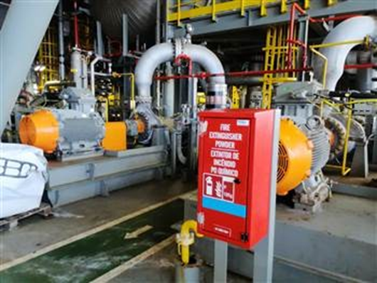 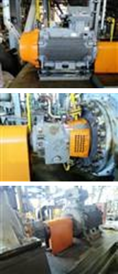 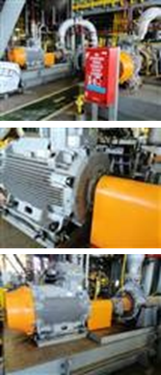

Condition Assessment | Analysis of the baseline condition monitoring data (FPSO on location) indicates the overall velocity at the motor is acceptable at circa 0.5 mm/s at the motor. The pump is displaying high levels of overall acceleration and enveloped acceleration. 23.2gE at the DE position & 18.2gE at the NDE. Pump bearing frequency markers & harmonics identified within the spectra, this suggests bearing deterioration and it would be recommended to plan in for a pump bearing overhaul at the next available opportunity.
Supporting Images
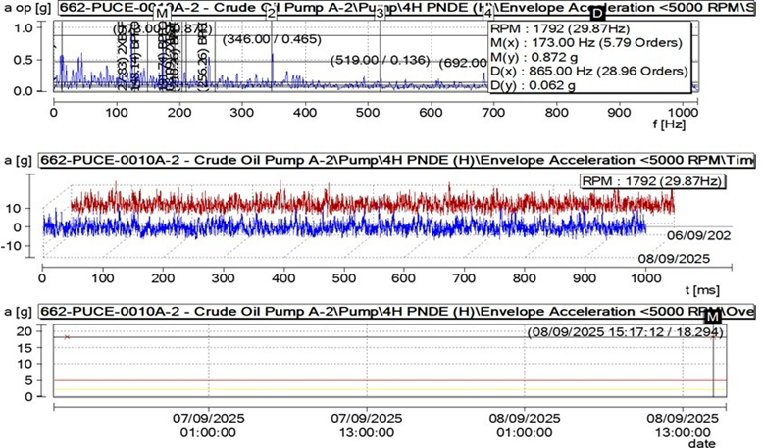

Component | Pump | Raised By | Gustavo Silva
Raised Date | 2026-03-18 | Target Date | 2026-11-30
Short Description | Overhaul Pump Bearings
Long Description | The pump is displaying high levels of overall acceleration and enveloped acceleration. 23.2gE at the DE position & 18.2gE at the NDE. pump bearing frequency markers & harmonics identified within the spectra, this suggests bearing deterioration and it would be recommended to plan in for a pump bearing overhaul at the next available opportunity.

ALEXANDRE GUSMÃO
ALEXANDRE GUSMAO FPSO | Mar-26 | Apr-26 | May-26 | Jun-26 | Jul-26 | WO
ANALYSIS | STATUS | STATUS | STATUS | STATUS | STATUS | NUMBER
Water Injection Pump
126-PKWI-0100A | MACHINE OFF | MACHINE OFF | MACHINE OFF | MACHINE OFF
126-PKWI-0100B | MACHINE OFF | MACHINE OFF | MACHINE OFF | MACHINE OFF |  |  | Percentage Surveyed | 12
126-PKWI-0100C | MACHINE OFF | MACHINE OFF | MACHINE OFF | MACHINE OFF |  |  | Percentage Non-Compliance Reason | 11
126-PKWI-0100D | MACHINE OFF | MACHINE OFF | MACHINE OFF | MACHINE OFF |  |  | Percentage No Data No Reason
Water Injection Booster Pumps
ALEXANDRE GUSMAO
Percentage Surveyed | 12
Percentage Non-Compliance Reason | 11
Percentage No Data No Reason
126-PUCE-0004A | MACHINE OFF | MACHINE OFF | MACHINE OFF | MACHINE OFF
126-PUCE-0004B | MACHINE OFF | MACHINE OFF | MACHINE OFF | MACHINE OFF
126-PUCE-0004C | MACHINE OFF | MACHINE OFF | MACHINE OFF | MACHINE OFF
Vapor Recovery Unit
771-PKGC-0400A | GOOD | GOOD | GOOD | GOOD |  |  |  |  | Unbalance | 0
771-PKGC-0400B | GOOD | GOOD | GOOD | GOOD |  |  |  |  | Misalignment | 0
CO2 Compressor |  |  |  |  |  |  |  |  | Bearing Defects | 0
771-PKGC-0900A | MACHINE OFF | GOOD | GOOD | MACHINE OFF |  |  |  |  | Gear Mesh Faults | 0
771-PKGC-0900B | GOOD | GOOD | GOOD | GOOD |  |  |  |  | Lubrication Issues | 0
HC Dewpoint |  |  |  |  |  |  |  |  | Structural Resonance | 0
772-PKGC-0500A | MACHINE OFF | MACHINE OFF | GOOD | GOOD |  |  |  |  | Soft Foot | 0
772-PKGC-0500B | MACHINE OFF | MACHINE OFF | GOOD | GOOD |  |  |  |  | Bent Shaft | 0
Auxiliar Power Generetion |  |  |  |  |  |  |  |  | Instrumentation | 2
ALEXANDRE GUSMAO
111-PKGC-0200 | MACHINE OFF | MACHINE OFF | MACHINE OFF | MACHINE OFF
LP Gas Compressor
771-PKGC-0100A | GOOD | GOOD | GOOD | MACHINE OFF
771-PKGC-0100B | GOOD | GOOD | MACHINE OFF | GOOD
Main Gas Compressor
771-PKGC-0600A | DEGRADED | DEGRADED | DEGRADED | DEGRADED |  | 1089485
771-PKGC-0600B | CRITICAL | CRITICAL | CRITICAL | DEGRADED |  | 1091314/ 1091666
771-PKGC-0600C | CRITICAL | CRITICAL | CRITICAL | GOOD
Power Generetion
111-PKPG-0100A | GOOD | GOOD | GOOD | GOOD
111-PKPG-0100B | GOOD | GOOD | GOOD | GOOD
111-PKPG-0100C | GOOD | MACHINE OFF | MACHINE OFF | MACHINE OFF
111-PKPG-0100D | GOOD | GOOD | GOOD | GOOD

 | GOOD | 10
 | DEGRADED | 2
 | CRITICAL | 0
 | MACHINE OFF | 10

ALEXANDRE GUSMAO

ADG 01
 | CRITICAL
Facility | Alexandre Gusmão | Location
System | Main Gas Compressor | Machine Name | Main Gas Compressor B
Tag Number | 771-PKGC-0600C | M/C Protection
CMMS Number |  | Operating Context
CoF | Mediun | Tecnology
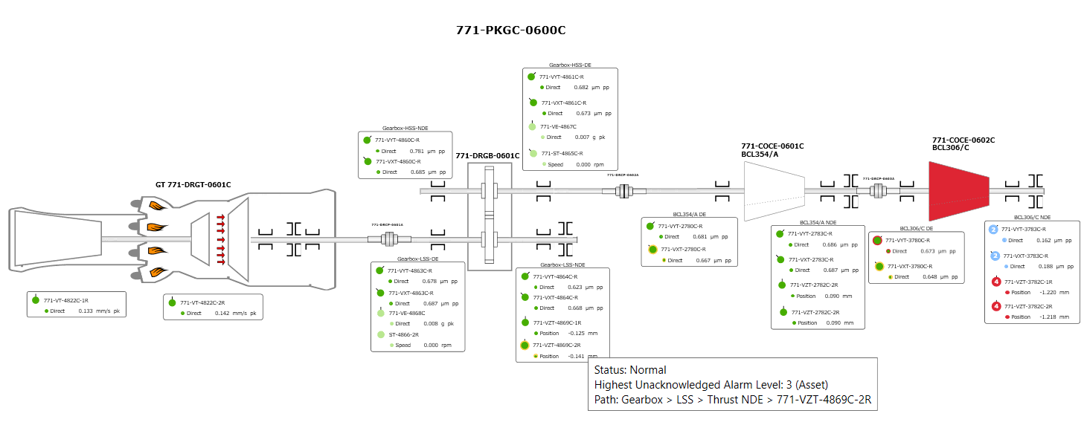

Condition Assessment | Based on the System 1 (S1) trend, the event log, and the typical behavior shown in the plot (abrupt jumps, reading lock-ups, and sudden offset changes), there is strong evidence of an instrumentation failure in the axial (thrust) sensors of the LNA bearing of the Main Gas Compressor C – ADG, rather than an actual mechanical condition of the compressor.
Supporting Images
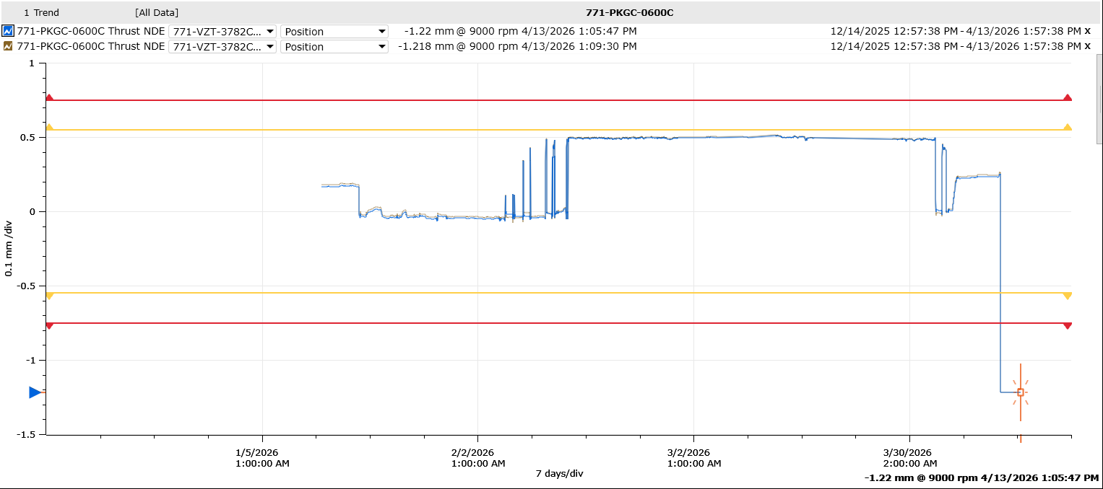

Component | Compressor | Raised By | Gustavo Silva
Raised Date | 04/13/2026 | Target Date | 05/13/2026
Short Description | Instrumentation Failure | WO Number | 1089487
Long Description | Verify proper sensor fastening regarding the presence of looseness, bending, or sensor displacement. Check the integrity of the sensor connections, as well as their fastening, oxidation, and moisture. Perform channel cross-substitution (channel swap) to confirm whether the fault follows the sensor/cable or remains on the same channel. Evaluate the need for replacement of the axial sensors if electrical instability, reading drift, or recurrent failure recorded in the event list is confirmed.

ADG 02
 | DEGRADED
Facility | Alexandre Gusmao | Location
System | Main Gas Compressor | Machine Name | MIGC A
Tag Number | 771-PKGC-0600A | M/C Protection
CMMS Number |  | Operating Context
CoF | Mediun | Tecnology | Vibration Online

Condition Assessment | Axial sensors 771 VZT 4869A 11/21 from the gearbox show a possible change in the sensor gap voltage setpoint in relation to the machine shaft’s central position (zero position voltage adjustment). This condition may generate false alarms and even spurious machine trips.
Supporting Images
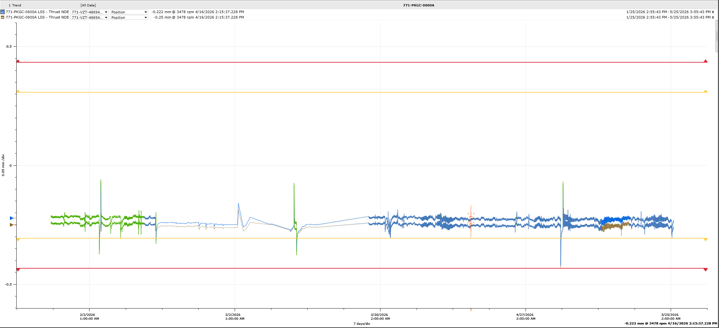

Equipament | Gearbox | Raised By | Gustavo Silva
Raised Date | 2026-03-19 | Target Date | 04/19/2026
Short Description | Instrumentation failure | WO Number | 1089485
Long Description | • Verify the axial clearance of the assembly. • Center the shaft in its neutral position. • Check the gap voltage for each sensor individually. • Adjust the zero position voltage setpoint in the protection rack according to the readings measured in the field.

ADG 03
 | DEGRADED
Facility | Alexandre Gusmao | Location
System | Main Gas Compressor | Machine Name | MIGC B
Tag Number | 771-PKGC-0600B | M/C Protection
CMMS Number |  | Operating Context
CoF | Mediun | Tecnology | Vibration Online
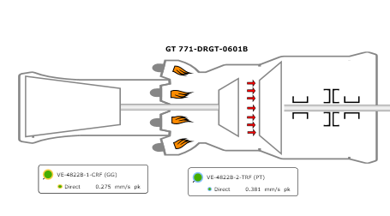

Condit. Assessment | Analyzing the data from sensor VE-4822B-1-CRF (GG), we identified abnormal behavior that likely indicates an incipient sensor failure; As we can see in the pictures below, we have two different situations. In the first one we can see a stable trend, no abnormal behaviour in the spectrum, as well as in the waveform shape. In the second one it was noticed spikes in the trends, following high subsynchronous frequency in the same time and disturbances in the waveform shape. |  |  | 1091314 | 1091314 | 1091314 | 1091314
Supporting Images
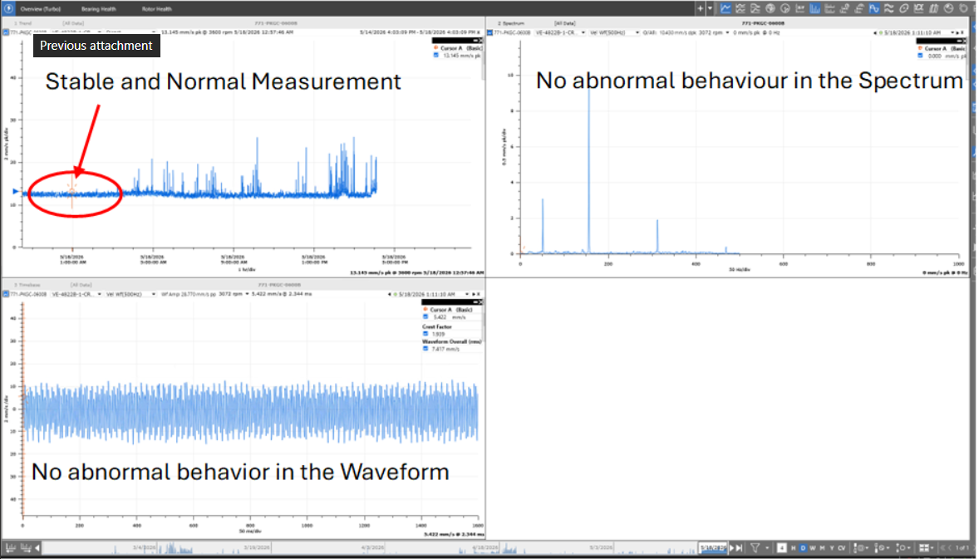 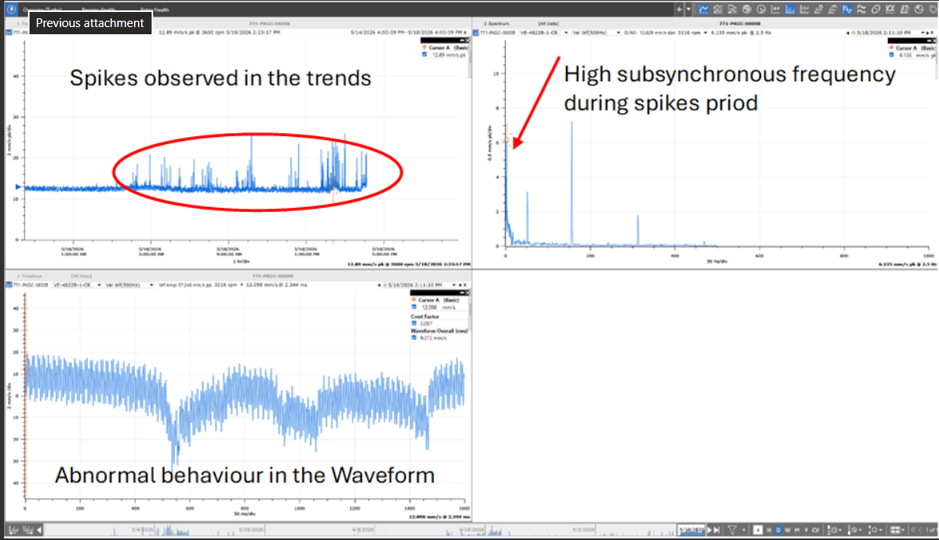

Equipament | GT | Raised By | Gustavo Silva
Raised Date | 05/19/2026 | Target Date | 06/19/2026
Short Description | Instrumentation failure | WO Number | 1091314
Long Description | Action to be taken: Inspect the sensor loop in the next opportunity.

ADG 04
 | DEGRADED
Facility | Alexandre Gusmao | Location
System | Main Gas Compressor | Machine Name | MIGC B
Tag Number | 771-PKGC-0600B | M/C Protection
CMMS Number |  | Operating Context
CoF | Mediun | Tecnology | Vibration Online
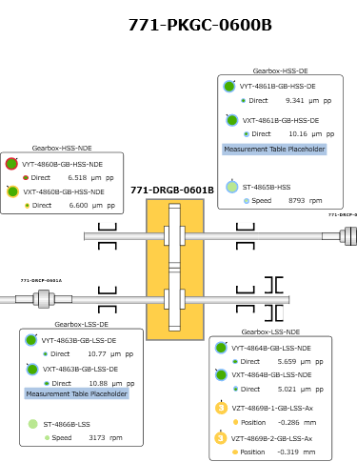

Condit. Assessment | The axial sensors VZT‑4869B‑1‑GB‑LSS‑Ax and VZT‑4869B‑2‑GB‑LSS‑Ax from the gearbox indicate a possible change in the sensor gap voltage setpoint in relation to the machine shaft’s central position (zero position voltage adjustment). This condition may generate false alarms and even spurious machine trips, due to the fact that one of the sensors is operating within the alert range.
Supporting Images
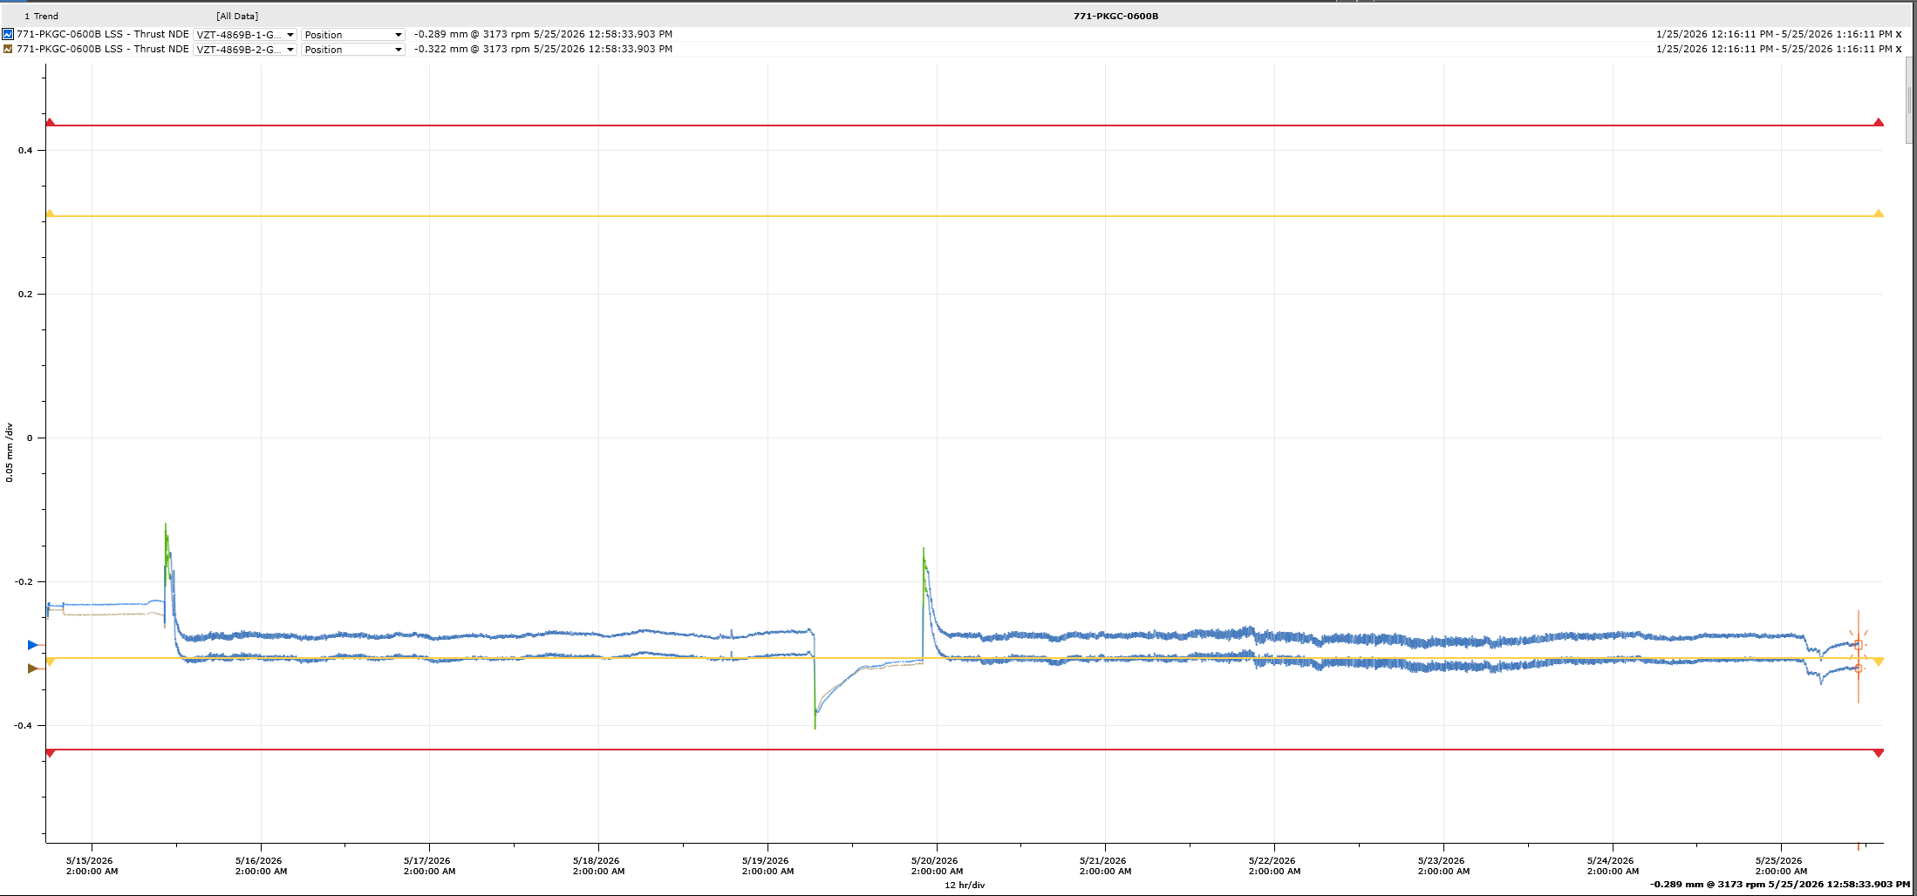

Equipament | Gearbox | Raised By | Gustavo Silva
Raised Date | 05/25/2026 | Target Date | 06/25/2026
Short Description | Instrumentation failure | WO Number | 1091666
Long Description | • Verify the axial clearance of the assembly. • Center the shaft in its neutral position. • Check the gap voltage for each sensor individually. • Adjust the zero position voltage setpoint in the protection rack according to the readings measured in the field.

